Sheet1
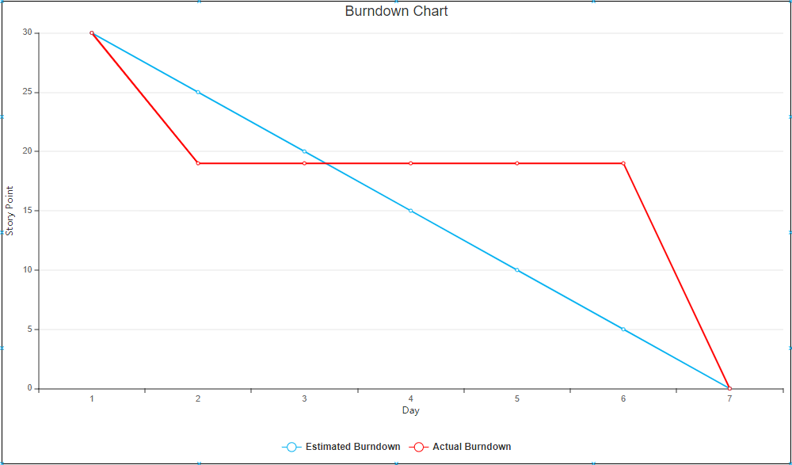
User Story | Tasks | Day 1 | Day 2 | Day 3 | Day 4 | Day 5 | Day 6 | Day 7
As a player I want | create UI | 8 | Completed | 0 | 0 | 0 | 0 | 0
to Control my Character
so I can have a more | Implement move to connected | 2 | completed
interactiveexpirence. | open location

 | Implement connected | 1 | 1 | 1 | 1 | 1 | 1 | completed
 | closed locations

 | Lock unconnected location | 1 | completed | 0 | 0 | 0 | 0 | completed
 | location

 | Create win | 2 | 2 | 2 | 2 | 2 | 2 | completed
 | Location

As A player I want to | Implement view | 2 | 2 | 2 | 2 | 2 | 2 | completed
view inventory, so I | inventory
can know what I can
use

As a player I want to | Implement pick | 2 | 2 | 2 | 2 | 2 | 2 | completed
use an item so I can | up item
affect the environment
 | implement use | 2 | 2 | 2 | 2 | 2 | 2 | completed
 | item.

 | Implement no | 3 | 3 | 3 | 3 | 3 | 3 | completed
 | item avalible.

As a player I want to save/ | Implement save | 5 | 5 | 5 | 5 | 5 | 5 | completed
load a game
 | Implement load | 5 | 5 | 5 | 5 | 5 | 5 | completed

